Porcine survival rate
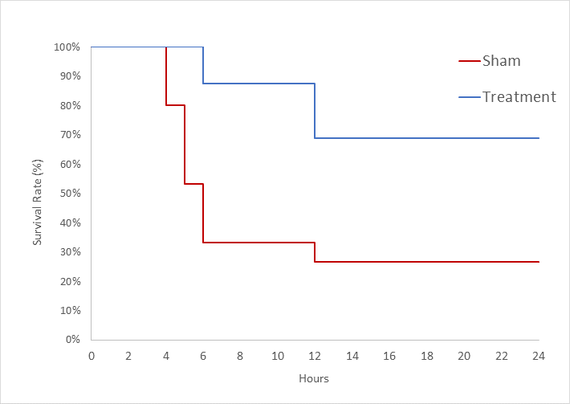
 | Sham group (n=15) |  |  | Treatment group (n=16)
Time (hrs) | Survived | Died | survival rate | Survived | Died | survival rate
0 | 15 | 0 | 1.0 | 16 | 0 | 1.0
1 | 15 | 0 | 1.0 | 16 | 0 | 1.0
1 | 15 | 0 | 1.0 | 16 | 0 | 1.0
2 | 15 | 0 | 1.0 | 16 | 0 | 1.0
2 | 15 | 0 | 1.0 | 16 | 0 | 1.0
3 | 15 | 0 | 1.0 | 16 | 0 | 1.0
3 | 15 | 0 | 1.0 | 16 | 0 | 1.0
4 | 15 | 0 | 1.0 | 16 | 0 | 1.0
4 | 12 | 3 | 0.800 | 16 | 0 | 1.0
5 | 12 | 3 | 0.800 | 16 | 0 | 1.0
5 | 8 | 7 | 0.533 | 16 | 0 | 1.0
6 | 8 | 7 | 0.533 | 16 | 0 | 1.0
6 | 5 | 10 | 0.333 | 14 | 2 | 0.875
7 | 5 | 10 | 0.333 | 14 | 2 | 0.875
8 | 5 | 10 | 0.333 | 14 | 2 | 0.875
8 | 5 | 10 | 0.333 | 14 | 2 | 0.875
9 | 5 | 10 | 0.333 | 14 | 2 | 0.875
9 | 5 | 10 | 0.333 | 14 | 2 | 0.875
10 | 5 | 10 | 0.333 | 14 | 2 | 0.875
10 | 5 | 10 | 0.333 | 14 | 2 | 0.875
11 | 5 | 10 | 0.333 | 14 | 2 | 0.875
11 | 5 | 10 | 0.333 | 14 | 2 | 0.875
12 | 5 | 10 | 0.333 | 14 | 2 | 0.875
12 | 4 | 11 | 0.267 | 11 | 5 | 0.688
13 | 4 | 11 | 0.267 | 11 | 5 | 0.688
13 | 4 | 11 | 0.267 | 11 | 5 | 0.688
14 | 4 | 11 | 0.267 | 11 | 5 | 0.688
14 | 4 | 11 | 0.267 | 11 | 5 | 0.688
15 | 4 | 11 | 0.267 | 11 | 5 | 0.688
15 | 4 | 11 | 0.267 | 11 | 5 | 0.688
16 | 4 | 11 | 0.267 | 11 | 5 | 0.688
16 | 4 | 11 | 0.267 | 11 | 5 | 0.688
17 | 4 | 11 | 0.267 | 11 | 5 | 0.688
17 | 4 | 11 | 0.267 | 11 | 5 | 0.688
18 | 4 | 11 | 0.267 | 11 | 5 | 0.688
18 | 4 | 11 | 0.267 | 11 | 5 | 0.688
19 | 4 | 11 | 0.267 | 11 | 5 | 0.688
19 | 4 | 11 | 0.267 | 11 | 5 | 0.688
20 | 4 | 11 | 0.267 | 11 | 5 | 0.688
20 | 4 | 11 | 0.267 | 11 | 5 | 0.688
21 | 4 | 11 | 0.267 | 11 | 5 | 0.688
21 | 4 | 11 | 0.267 | 11 | 5 | 0.688
22 | 4 | 11 | 0.267 | 11 | 5 | 0.688
22 | 4 | 11 | 0.267 | 11 | 5 | 0.688
23 | 4 | 11 | 0.267 | 11 | 5 | 0.688
23 | 4 | 11 | 0.267 | 11 | 5 | 0.688
24 | 4 | 11 | 0.267 | 11 | 5 | 0.688
24 | 4 | 11 | 0.267 | 11 | 5 | 0.688

